Sheet1
TASMANIA YRS 9-12 REVIEW RAMSAY AND ROWAN ATTACHMENT 6

COMPARING TASMANIAN SCHOOLS AND COLLEGES PERFORMANCE WITH SIMILAR SCHOOLS IN OTHER STATES IN RELATION TO YEAR 9 NAPLAN AND
YR12s ATTAINMENT OF THEIR SENIOR SECONDARY CERTIFICATES. |  |  |  |  | Eleanor Ramsay and Michael Rowan, 20 August 2016
 |  |  |  |  | comments and corrections to contact@education ambassadaors.org.au
GRAPH 1: YEAR 9 NAPLAN (average of reading and numeracy) FOR TASMANIAN SCHOOLS AND SIMILAR INTERSTATE SCHOOLS
NOTE | Data for this graph comes from http://educationambassadors.org.au. See Using Myschool to benchmark senior secondary schooling in Tasmania
 | for discussion of the method used to generate the data, and Benchmarks for Year 12 Research Paper for the full data set from which this is derived
 | (except for Ulverstone High School). Schools are shown in order of increasing ICSEA.
COMMENT | All but one of the Tasmanian schools Yr9 NAPLAN results are above the average of their interstate similar schools,
 | with lower ICSEA schools in Tasmania showing the greatest difference. This leads to Tasmania having a weaker relationship
 | between ICSEA and NAPLAN than the interstate similar schools, as shown by the gentler slope of Tasmania's trend line.
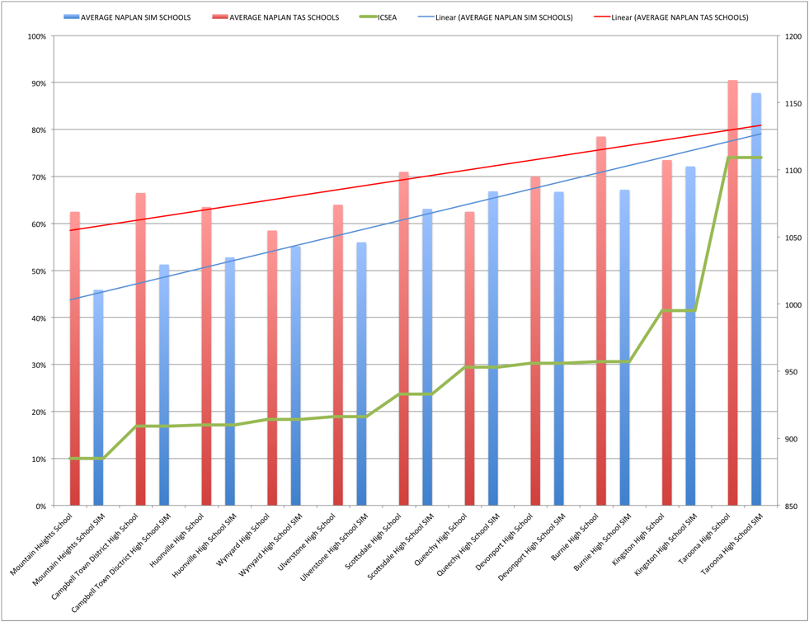

GRAPH 2: YEAR 12 ATTAINMENT OF TASMANIAN COLLEGES, PRIVATE SCHOOLS AND INTERSTATE SCHOOLS SIMILAR TO TASMANIAN HIGH SCHOOLS, IN ORDER OF INCREASING ICSEA
NOTE | Colleges ICSEAs from 2012, others 2015. No ICSEA for Newstead so it is not included. Yr 12% for TAS schools for 2015 from TASC, for interstate similar schools
 | for 2014 from MySchool. Interstate similar schools have the same ICSEA as the Tasmanian school to which they are similar.
 | The data for this graph is mostly taken from a previous study reported at http://educationambassadors.org.au. See Using Myschool to benchmark senior secondary schooling in Tasmania
 | for discussion of the method used to generate the data, and Benchmarks for Year 12 Research Paper for the full data set from which this is derived.
 | Differences between that data setand the data used for this graph are as follows.
 | 1. Latrobe High School, Reece High School, Sheffield School and Ulverstone High School, were analysed in a separate study available on request to contact@educationambassadors.org.au.
 | 2. That later study used TASC as the source of data for Yr12 attainment, and used only data for 2015. See |  |  |  |  | http://www.tqa.tas.gov.au/1324
 | To maintain comparability between Tasmanian schools for this graph we have used TASC TCE attainment for 2015 Tasmanian schools while
 | the data for interstate schools remains as in the earlier benchmarking study - all taken from MySchool for 2014.
COMMENT | No Tasmanian school has as great a % of its Yr12s gaining their senior secondary certificates as their interstate comparison schools, and the gap between the Tasmanian and
 | interstate schools is greatest for lower ICSEA schools. Thus the relationship between ICSEA (or educational disadvantage) and attainment is stronger in Tasmania than other
 | states - the opposite of the relationship between NAPLAN and ICSEA as shown in the graph above.

CONCLUSION These two graphs paint a picture of a primary and high school system in Tasmania performing above its reputation particularly with less advantaged students,
 | and a senior secondary system in deep trouble, reproducing the disadvantage of its students.

 | 2014 MySchool % Yr12 gaining other states SSC | 2015 TASC % Yr12s gaining TCE | ICSEA
Mountain Heights School |  | 55% | 885
Mountain Heights SIM | 87% |  | 885
Claremont College |  | 54% | 894
Campbell Town District High School |  | 50% | 909
Campbell Town High School SIM | 91% |  | 909
Huonville High School |  | 67% | 910
Huonville High School SIM | 92% |  | 910
Wynyard High School |  | 46% | 914
Wynyard SIM | 92% |  | 914
Ulverstone High School |  | 48% | 916
Ulverstone High School SIM | 95% |  | 916
Sheffield School |  | 69% | 921
Sheffield School SIM | 93% |  | 921
Reece High School |  | 56% | 927
Reece High School SIM | 94% |  | 927
Latrobe High School |  | 51% | 930
Latrobe High School SIM | 93% |  | 930
Scottsdale High School |  | 57% | 933
Scottsdale SIM | 90% |  | 933
Don College |  | 66% | 938
Queechy High School |  | 52% | 953
Queechy SIM | 89% |  | 953
Hellyer College |  | 63% | 954
Devonport High School |  | 56% | 956
Devonport High School SIM | 93% |  | 956
Burnie High School |  | 61% | 957
Burnie High School SIM | 90% |  | 957
Launceston College |  | 82% | 969
Rosny College |  | 72% | 975
Elizabeth College |  | 70% | 995
Kingston High School |  | 72% | 995
Kingston High School SIM | 96% |  | 995
St Brendan-Shaw College |  | 80% | 1016
St Brendan-Shaw College SIM | 92% |  | 1016
Marist Regional College |  | 85% | 1020
Marist Regional College SIM | 96% |  | 1020
Hobart College |  | 82% | 1032
Launceston Christian School |  | 87% | 1054
Launceston Christian School SIM | 96% |  | 1054
Taroona High School |  | 83% | 1109
Taroona SIM | 96% |  | 1109
Scotch Oakburn |  | 96% | 1118
Scotch Oakburn SIM | 99% |  | 1118
The Friends School |  | 97% | 1169
The Friends SIM | 98% |  | 1169

DATA FOR GRAPH 1
 | AVERAGE NAPLAN SIM SCHOOLS | AVERAGE NAPLAN TAS SCHOOLS | ICSEA
Mountain Heights School |  | 63% | 885
Mountain Heights School SIM | 46% |  | 885
Campbell Town District High School |  | 67% | 909
Campbell Town District High School SIM | 51% |  | 909
Huonville High School |  | 64% | 910
Huonville High School SIM | 53% |  | 910
Wynyard High School |  | 59% | 914
Wynyard High School SIM | 55% |  | 914
Ulverstone High School |  | 64% | 916
Ulverstone High School SIM | 56% |  | 916
Scottsdale High School |  | 71% | 933
Scottsdale High School SIM | 63% |  | 933
Queechy High School |  | 63% | 953
Queechy High School SIM | 67% |  | 953
Devonport High School |  | 70% | 956
Devonport High School SIM | 67% |  | 956
Burnie High School |  | 78% | 957
Burnie High School SIM | 67% |  | 957
Kingston High School |  | 74% | 995
Kingston High School SIM | 72% |  | 995
Taroona High School |  | 91% | 1109
Taroona High School SIM | 88% |  | 1109

DATA FOR GRAPH 2
 |  | 2014 MySchool % Yr12 gaining other states SSC | 2015 TASC % Yr12s gaining TCE | ICSEA
Mountain Heights School |  |  | 55% | 885
Mountain Heights SIM |  | 87% |  | 885
Claremont College |  |  | 54% | 894
Campbell Town District High School |  |  | 50% | 909
Campbell Town High School SIM |  | 91% |  | 909
Huonville High School |  |  | 67% | 910
Huonville High School SIM |  | 92% |  | 910
Wynyard High School |  |  | 46% | 914
Wynyard SIM |  | 92% |  | 914
Ulverstone High School |  |  | 48% | 916
Ulverstone High School SIM |  | 95% |  | 916
Sheffield School |  |  | 69% | 921
Sheffield School SIM |  | 93% |  | 921
Reece High School |  |  | 56% | 927
Reece High School SIM |  | 94% |  | 927
Latrobe High School |  |  | 51% | 930
Latrobe High School SIM |  | 93% |  | 930
Scottsdale High School |  |  | 57% | 933
Scottsdale SIM |  | 90% |  | 933
Don College |  |  | 66% | 938
Queechy High School |  |  | 52% | 953
Queechy SIM |  | 89% |  | 953
Hellyer College |  |  | 63% | 954
Devonport High School |  |  | 56% | 956
Devonport High School SIM |  | 93% |  | 956
Burnie High School |  |  | 61% | 957
Burnie High School SIM |  | 90% |  | 957
Launceston College |  |  | 82% | 969
Rosny College |  |  | 72% | 975
Elizabeth College |  |  | 70% | 995
Kingston High School |  |  | 72% | 995
Kingston High School SIM |  | 96% |  | 995
St Brendan-Shaw College |  |  | 80% | 1016
St Brendan-Shaw College SIM |  | 92% |  | 1016
Marist Regional College |  |  | 85% | 1020
Marist Regional College SIM |  | 96% |  | 1020
Hobart College |  |  | 82% | 1032
Launceston Christian School |  |  | 87% | 1054
Launceston Christian School SIM |  | 96% |  | 1054
Taroona High School |  |  | 83% | 1109
Taroona SIM |  | 96% |  | 1109
Scotch Oakburn |  |  | 96% | 1118
Scotch Oakburn SIM |  | 99% |  | 1118
The Friends School |  |  | 97% | 1169
The Friends SIM |  | 98% |  | 1169

